TL-4000 MX4
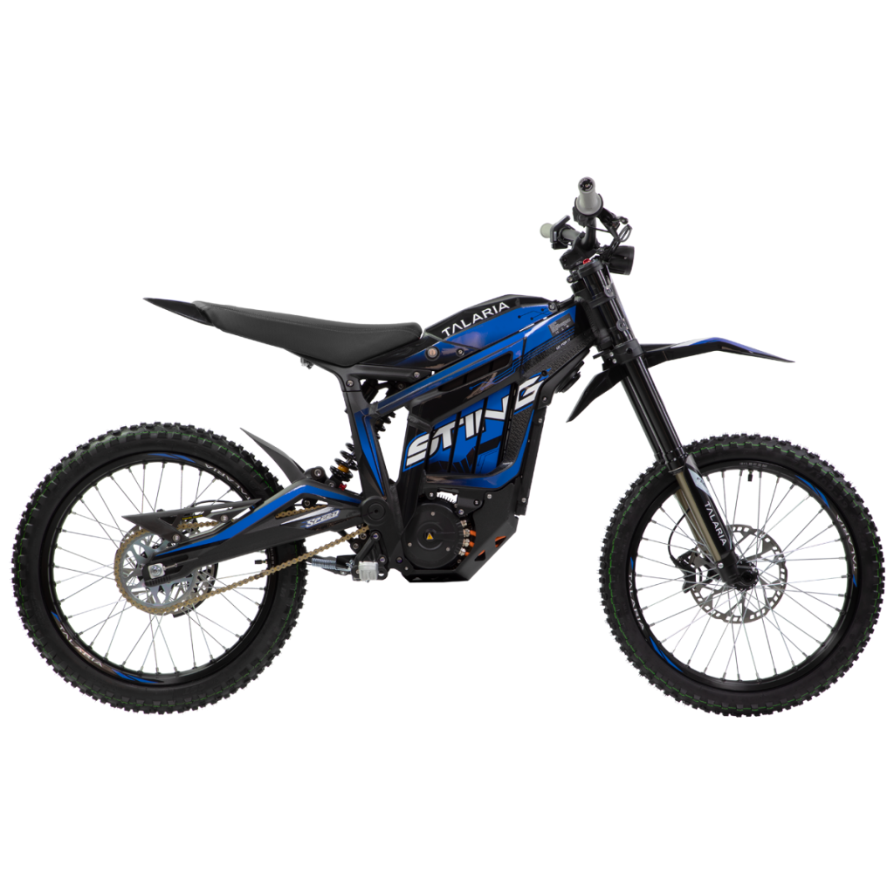
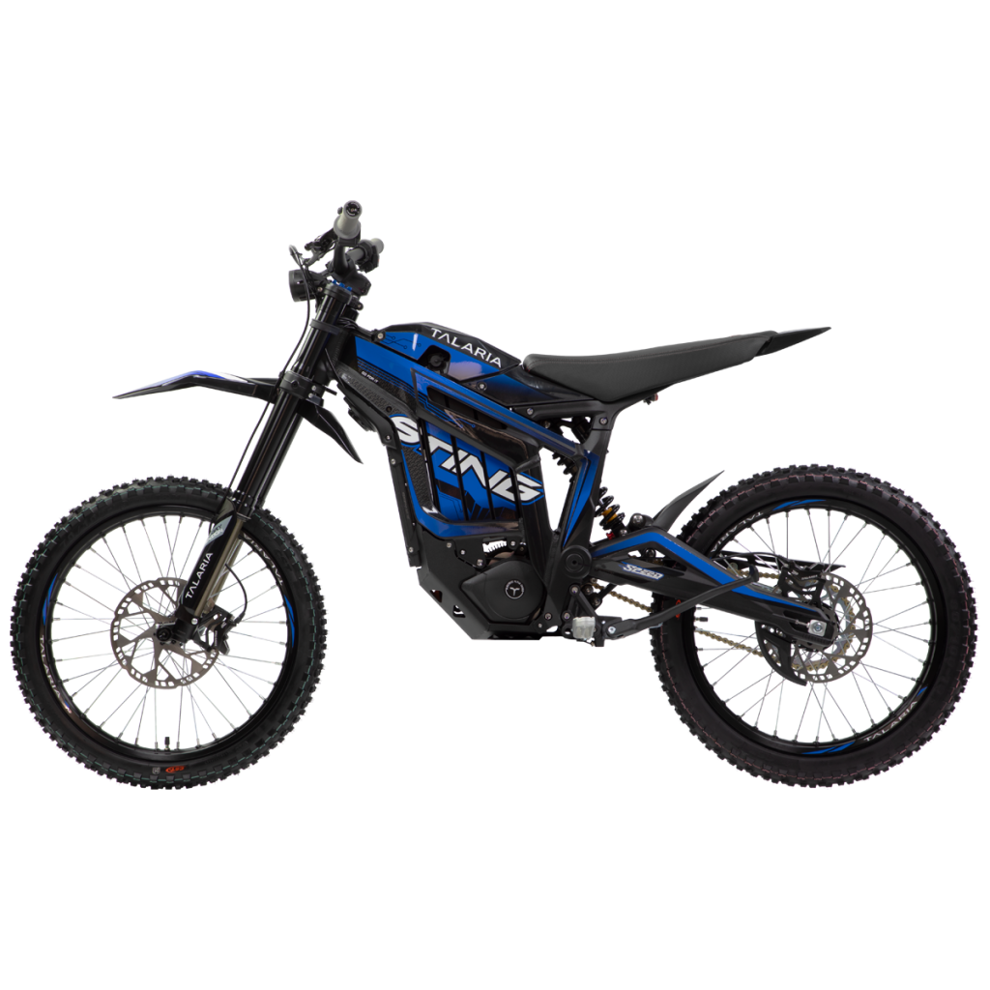

Bolt Torque
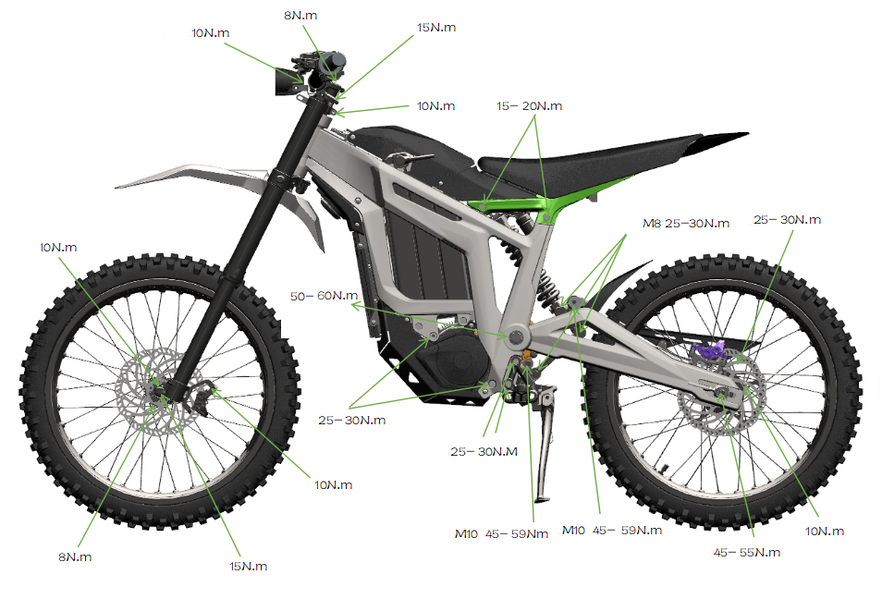
Front Side Axle Endcap | 2 Nm
Fork Axle Pinch Bolts | 1 0Nm
Fork Leg Lower Endcap
Headset Cap (Set Bolt) | 8 Nm
Upper Crown
Stem Pinch Bolts (Steerer Tube) | 10 Nm
Stem Pinch Bolts (Handlebar) | 10 Nm

Front Brake Caliper Bolts | 10 Nm
Rear Axle Nut | 45-55 Nm
Rear Brake Disc | 10 Nm
Swingarm Bolt | 55-60 Nm
Motor Mounts | 25-30 Nm
Seat Frame Mount Bolts | 15-20 Nm

Footpeg Plate Mounts | 25-30 Nm

M8 Suspension Bolts | 25-30 Nm
M10 Suspension Bolts | 45-59 Nm

Wiring Diagram
